Sheet1
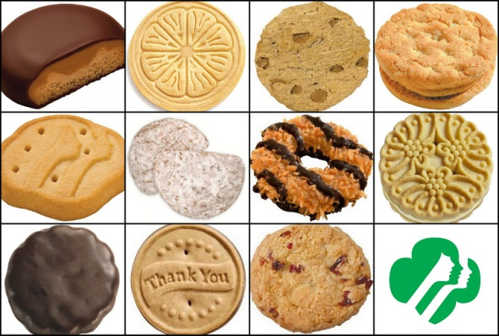
 | Julia | Paige | Rebecca | Jessica
Peanut Butter Patties | 15 | 16 | 18 | 13
Thin Mints | 10 | 18 | 20 | 4
Lemonades | 20 | 15 | 22 | 17
Caramel deLites | 13 | 6 | 16 | 10
Shortbread | 8 | 9 | 10 | 12
Peanut Butter Sandwiches | 17 | 7 | 17 | 5
Savannah Smiles | 6 | 5 | 4 | 9
Thanks-A-Lot | 4 | 10 | 8 | 8
Dulce de Leche | 12 | 3 | 12 | 3
Mango Crémes | 21 | 4 | 6 | 22
Thank You Berry Much | 3 | 8 | 2 | 12

Girl Scout Cookies

